Análisis
Category | (Todas) |  | Category | (Todas)

Ventas |  |  | Ingresos |  |  | Etiquetas de fila | Ventas por género
3900 |  |  | 233081 |  |  | Female | 75191
 |  |  |  |  |  | Male | 157890
3900 |  |  | 233,081.00 USD |  |  | Total general | 233081

Estados mayor venta | Ventas | Ingresos |  | Prendas más vendidas | Ventas | Ingresos
California | 95 | 5,605 USD |  | Blouse | 171 | 10,410 USD
Idaho | 93 | 5,587 USD |  | Dress | 166 | 10,320 USD
Illinois | 92 | 5,617 USD |  | Jewelry | 171 | 10,010 USD
Montana | 96 | 5,784 USD |  | Pants | 171 | 10,090 USD
Nevada | 87 | 5,514 USD |  | Shirt | 169 | 10,332 USD
Total general | 463 | 28,107 USD |  | Total general | 848 | 51,162 USD

Estados mayor venta | Ventas | Ingresos |  | Prendas más vendidas | Ventas | Ingresos
Florida | 68 | 3,798 USD |  | Blouse | 171 | 10,410 USD
Hawaii | 65 | 3,752 USD |  | Dress | 166 | 10,320 USD
Kansas | 63 | 3,437 USD |  | Jewelry | 171 | 10,010 USD
New Jersey | 67 | 3,802 USD |  | Pants | 171 | 10,090 USD
Rhode Island | 63 | 3,871 USD |  | Shirt | 169 | 10,332 USD
Total general | 326 | 18,660 USD |  | Total general | 848 | 51,162 USD

Etiquetas de fila | Promedio de Edad
Accessories | 44.2
Clothing | 43.8
Footwear | 44.4
Outerwear | 44.3
Total general | 44.1

DB
RESUMEN DE VENTAS
3900
233.081,00 USD
AÑO 2024 EEUU
Total ventas | Total ingresos

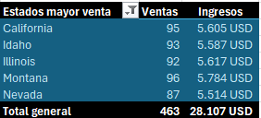
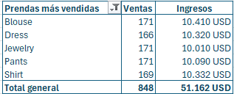
INGRESOS POR GENERO
 | Total
Female | 75191
Male | 157890

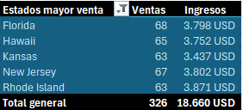
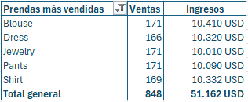

PROMEDIO EDAD EN COMPRAS
 | Total
Accessories | 44.2
Clothing | 43.8
Footwear | 44.4
Outerwear | 44.3

